ACT-001_Mini Drone
No | Item | Number per pack | Number of ready pack needed | Remark/size/spec | Note | Picture
1 | A box of DIY Drone set contains: - 1x propeller guard - 1x radio controller - 4x black propellers - 4x green propellers - 2x 3.7v LiPO battery - 1x USB cable charger - 1x spanner - 1x battery holder - 2x AA battery - 1x controller board - 2x black and white wired DC brush motor - 2x red and blue wired DC brush motor | 1 | 40 | NIL |  | Refer Image Above | Refer Image Above
2 | Brown Bag | 1 |  | 1. Can fit all of these materials 2. Place all item above in this pack
3 | Customised Sticker | 1 |  | 10cm x 10cm | "STEM Kit"
4 | Activity title sticker | 1 |  | 2cm x 10cm | "Mini Drone"

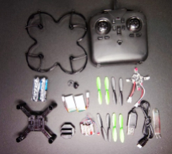
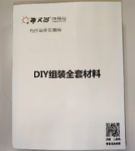

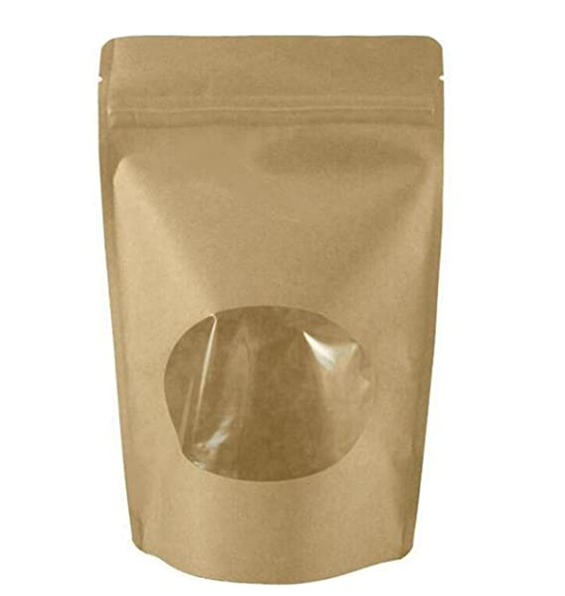
To put sticker and label the workshop

Mini Drone

Mini Drone Set

STEM Kit

ACT-002_Microbit
No | Item | Number per pack | Number of ready pack needed | Remark/size/spec | Note | Picture
1 | 1X Battery Holder (AA Size) , 2X AA Battery, 1X USB 1X Microbit | 1 SET | 40 | 1X Battery Holder (AA Size) 1X USB 1X Microbit |  | Refer Image Above | Refer Image Above
2 | Brown Bag | 1 | 40 | 1. ( Can fit all of these materials) 2. Place all item above in this pack
3 | Customised Sticker | 1 | 40 | 10cm x 10cm | "STEM Kit"
4 | Activity title sticker | 1 | 40 | 2cm x 10cm | "Microbit"

To put sticker and label the workshop
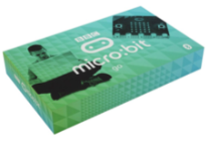
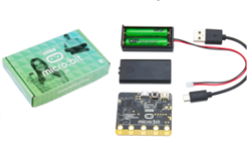

What's in the box
Microbit Set

Microbit

STEM Kit

ACT-003_Bottle Aquarium
No | Item |  | Number per pack | Number of ready pack needed | Remark/size/spec | Note | Picture
1 | Aquarium Rocks |  | approx 20 pcs | 40 | Small Size / coloured rocks |  | Refer Image Above | Refer Image Above
2 | Artificial Aquatic Plant |  | 1 |  | Small Size / any type of plant
3 | Sharpie Pen |  | 1 |  | Multicolour
4 |  | Empty Plastic mineral water bottle | 1 |  | bottle size 600ml
5 | Cutter |  | 1 |  | Small Cutter
6 | Brown Bag |  | 1 |  | 1. ( Can fit all of these materials) 2. Place all item above in this pack
7 | Customised Sticker |  | 1 |  | 10cm x 10cm | "STEM Kit"
8 | Activity title sticker |  | 1 |  | 2cm x 10cm | "Bottle Aquarium"

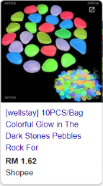

Sharpie Pen
(1pc)
Aquarium Rocks
(Approx 20pcs in a pack)

Artificial Aquatic Plant
(1pc)

Bottle Aquarium

Cutter
(1pc)
STEM Kit

ACT-004_Colour Play
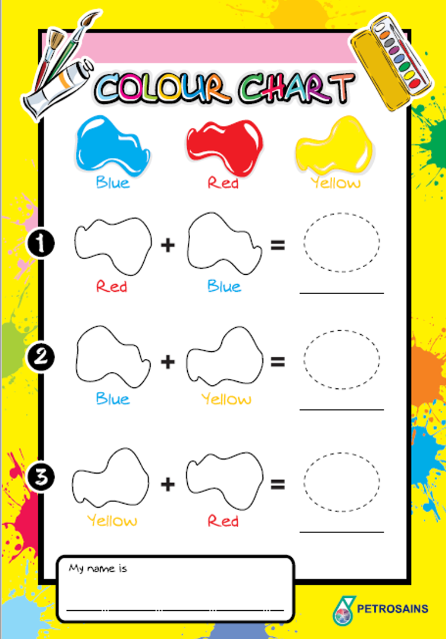
No. | Item | Number per pack | Number of ready pack needed | Remark/size/spec |  | Picture
1 | Modelling Dough Non-Toxic | 3 | 40 | 1-Red / 1-Blue / 1-Yellow | Preference : Play-Doh Brand | Refer Image Above | Refer Image Above
2 | Sharpie Pen | 3 |  | 1-Red / 1-Blue / 1-Yellow
3 | Filter Paper | 2 |  | Big Size / Round Shape
4 | Empty Spray Bottle | 1 |  | 30 mL / Spray Type
5 | Drawing Block | 1 |  | A3 Size / Fold into half
6 | Pencils | 1 |  | Any Brand/ Black
7 | Colour Chart printed materials | 1 |  | A4 size/ printed on Glossy Paper | As per attachment below
8 | Brown Bag | 1 |  | 1. ( Can fit all of these materials) 2. Place all item above in this pack
9 | Customised Sticker | 1 |  | 10cm x 10cm | "STEM Kit"
10 | Activity title sticker | 1 |  | 2cm x 10cm | "Colour Play"

ACT-005_Gas Detector
No | Item | Number per pack | Number of ready pack needed | Remark/size/spec | Proposed Shop | Picture
1 | MQ-2 Gas Sensor | 2 | 40 | LPG CO Sensor Module |  | Refer image above
2 | RGB LED Module | 2
3 | Buzzer Module | 2 |  | 3.3-5.0 V
4 | Arduino Nano | 1
5 | Jumper Wire | 2
6 | Bread Board | 2 |  | 5 x 7 cm
7 | Brown Bag | 1 |  | 1. ( Can fit all of these materials) 2. Place all item above in this pack
8 | Customised Sticker | 1 |  | 10cm x 10cm | "STEM Kit"
9 | Activity title sticker | 1 |  | 2cm x 10cm | "Gas Detector"

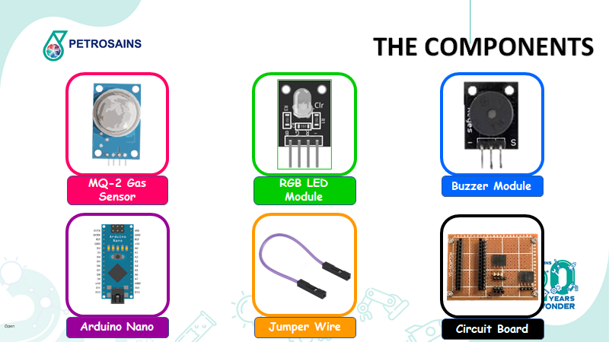

To put sticker and label the workshop

Gas Detector

STEM Kit

ACT-006_LED Lantern
No | Item | Number per pack | Number of ready pack needed | Quantity needed | Price/unit | Remark/size/spec | Proposed Shop | Picture
1 | Tracing Paper | 1 | 80 | 80 | 0.6 | A4 size |  | Refer Image Above
2 | A4 Coloured Hard Paper | 1 | 80 | 80 | 0.4 | Type: 150gsm
3 | Printed Material | 1 | 80 | 80 | 1 | Printed Colour / glossy paper
4 | Coin Lithium battery | 1 | 80 | 80 | 0.6 | CR2032 / CR2016
5 | LED multicolor | 1 | 80 | 80 | 0.3 | RGB with 2 pin
6 | Copper Tape strip | 1 | 80 | 80 | 2 | Diameter size: 5mm Cut to 60 cm in length
7 | Scissors | 1 | 80 | 80 | 2 | Small Size
8 | Cellotape | 1 | 80 | 80 | 0.5 | Small Size
9 | Brown Bag | 1 | 80 | 80 | 1 | 1. (XL Size) Can fit all of these materials) 2. Place all item above in this pack

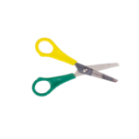
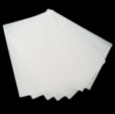
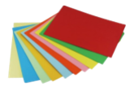
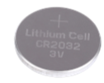



Tracing Paper (1pc)
A4 Coloured Paper
(1 pc)
Coin Battery
(1 pc)
Scissors
(1 pc)
To put sticker and label the workshop

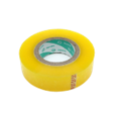

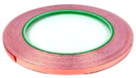
LED Lantern

LED Multicolour
(1 pc)
Copper Strip cut into 60 cm
(1 pc)
Cellotape
(1pc)

Simple Circuit Template
(1pc)

STEM Kit

ACT-007_Scribbling Machine
No | Item | Number per pack | Number of ready pack needed | Quantity needed | Price/unit | Remark/size/spec | Picture
1 | White Paper Cup | 2 | 80 | 160 | 0.1 | 9 Oz White | Refer Image Above
2 | Battery Holder | 1 | 80 | 80 | 1 | Battery Holder for AABattery Holder AA (1x2) w/ Wire Lead
3 | Rocker Switch | 1 | 80 | 80 | 0.69 | Rocker Switch 21mm Square 2-Pin SPST On-Off Black
4 | Crocodile Clip | 3 | 80 | 240 | 3 | Crocodile Clip with Wire (50cm)
5 | Magic Pen | 4 | 80 | 320 | 1 | Faber Castell's Fibre Tip Color Pen
6 | Pipe Cleaner | 4 | 80 | 320 | 0.75 | Assorted Colours Chenille Sticks (6mm x 15mm)
7 | Large Furball | 3 | 80 | 240 | 0.29 | Assorted Colours Pom Poms (2cm)
8 | Small Furball | 5 | 80 | 400 | 0.16 | Assorted Colors Pom Poms (1.5cm)
9 | Eraser | 1 | 80 | 80 | 0.4 | Approx. 2cm x 4cm
10 | Masking Tape | 1 | 80 | 80 | 0.3 | Stylo Masking Tape 24mmx20yds
11 | AA Battery | 2 | 80 | 160 | 3
12 | Mini DC Motor | 1 | 80 | 80 | 2
13 | Brown Bag | 1 | 80 | 80 | 1 | 1. (XL Size, Can fit all of these materials) 2. Place all item above in this pack


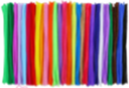

To put sticker and label the workshop

Large Furball
(3 pcs)
Small Furball
(5 pcs)
Switch
(1pc)
AA Battery
(2pcs)
Coloured Pipecleaner
(2pcs)

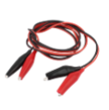

Magic Pen
(4pcs)
Mini DC Motor
(1pc)
White Paper Cup 9 Oz
(2pcs)
Crocodile Clip With Wire
(3pcs)
Battery Holder
(1pc)

Scribble Machine

STEM Kit

Eraser
(1pc)
Masking Tape
(1pc)

ACT-008_LED Flashlight
No | Item | Number per pack | Number of ready pack needed | Quantity needed | Price/unit | Remark/size/spec | Proposed Shop | Picture
1 | Jumbo Popsicle | 2 | 80 | 160 | 0.2 | Jumbo Size (150mm x 18mm) |  | Refer Image Above | Refer Image Above
2 | Metal Binder | 1 | 80 | 80 | 0.5 | 32mm
3 | Coin Lithium battery | 1 | 80 | 80 | 0.6 | CR2032 / CR2016
4 | LED multicolor | 1 | 80 | 80 | 0.3 | RGB with 2 pin
5 | Copper Tape strip | 1 | 80 | 80 | 2 | Diameter size: 5mm Cut to 60 cm in length
6 | Scissors | 1 | 80 | 80 | 2 | Small Size
7 | Brown Bag | 1 | 80 | 80 | 1 | 1. (L Size, Can fit all of these materials) 2. Place all item above in this pack

Jumbo Popsicle
(2pcs)
To put sticker and label the workshop

Coin Battery
(1 pc)
Scissors
(1pc)

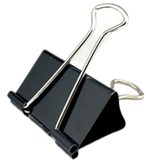
LED Flashlight

LED Multicolour
(1 pc)
Copper Strip cut into 60 cm
(1 pc)
Metal Binder
(1pc)
STEM Kit

ACT-012_DIY Catapult
No | Item | Number per pack | Number of ready pack needed | Quantity needed | Price/unit | Remark/size/spec | Proposed Shop | Picture
1 | Popsicle Stick Jumbo | 10 | 5 set |  |  | jumbo size |  | Refer Image Above
2 | Rubber Band | 20 | 5 |  |  | std size/ colorful |  | Refer Image Above
3 | Heavy weight Plastic Spoon | 2 | 5 |  |  | sturdy and hard but bendable |  | Refer Image Above
4 | Ping Pong Ball | 3 | 5 |  |  |  |  | Refer Image Above
5 | paper cup | 6 | 5 |  |  | colorfull 9oz |  | Refer Image Above

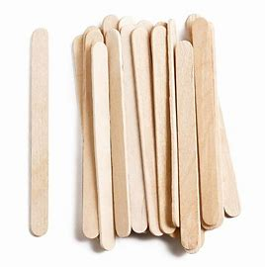
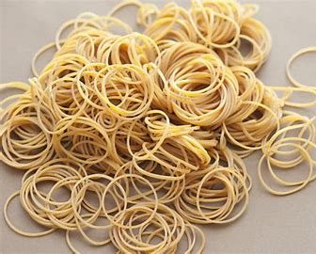
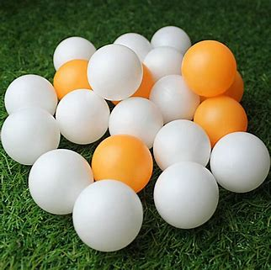
Jumbo Popsicle Stick
Rubber Band
Plastic Spoon
Ping Pong Ball
paper cup

Can drink

ACT-017_Cool Chem Show
No | Item | Quantity needed | Price/unit | Remark/size/spec | Proposed Shop | Picture
1 | Playing with polymer
2 | Paper clip | 1 box |  | colorfull
3 | balloon | 1 plastic |  | std size, colorfull
4 | Introduction/ Ice breaking_Magic Cup |  |  |  |  | 
5 | baby diapers | 1 bag |  | xl size
6 | paper cup | 3 |  | coffee cup [thick]
7 | Jar | 1 |  | plastic
8 | UV Ray |  |  |  |  | 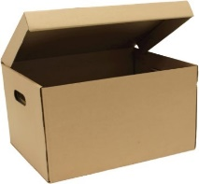
9 | tonic water | 2
10 | uv light | 3
11 | box | 1 |  | A4 Size, brown box with lid
12 | Chemical Reaction 1_Chemiluminescene |  |  |  |  | 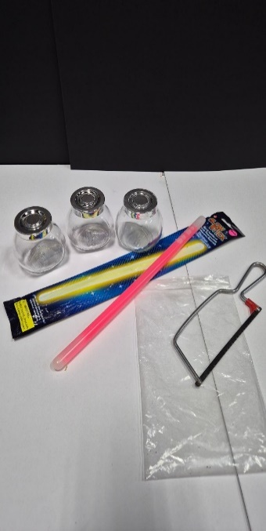
13 | light stick | 4 | biggest/ long
14 | test tube | 3
15 | test tube holder | 1
16 | gergaji | 1
17 | hammer | 1
18 | ziplog | 1 |  | medium size
19 | glove latex | 1
20 | Chemical Reaction 2_Baking soda + Vinegar
21 | baking soda | 1
22 | vinegar | 2
23 | 5L water bottle | 1
24 | jug | 1
25 | spoon | 2
26 | balloon | 2
27 | Color Changing [1]-synthetic |  |  |  |  | 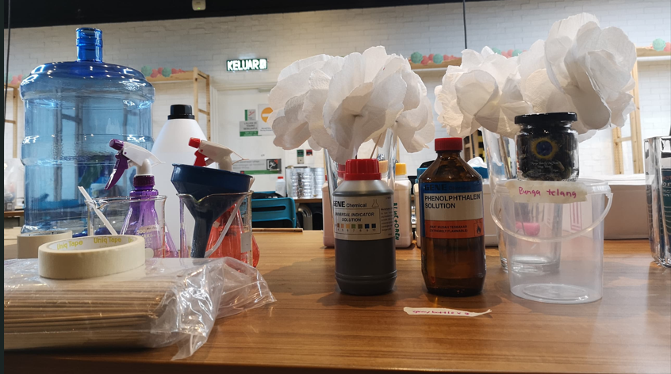
28 | tissue flower | 1 | kitchen tissue thick
29 | vase | 1
30 | stick | 1 |  | ballon stick
31 | bottle spray | 2
32 | Dishwashing liquid | 1 |  | sunlight white
33 | phenolphthalein | 1
34 | Color Changing [2]-synthetic / natural
35 | glass | 3
36 | Dishwashing liquid | 1 |  | sunlight white
37 | dropper | 100
38 | vinegar | 1
39 | universal indicator | 1
40 | red cabbage | 1
41 | bunga telang | 1
42 | Hot Chemistry 1-Whoosh bottle
43 | methylated spirit | 1
44 | lighter | 1
45 | funnel | 1
46 | metal cup | 1
47 | chopstick long | 3
48 | Hot Chemistry 2-Burning Book
49 | methylated spirit | 1
50 | lighter | 1
51 | book | 1
52 | Hot Chemistry 3-Fire Tornado |  |  |  |  | 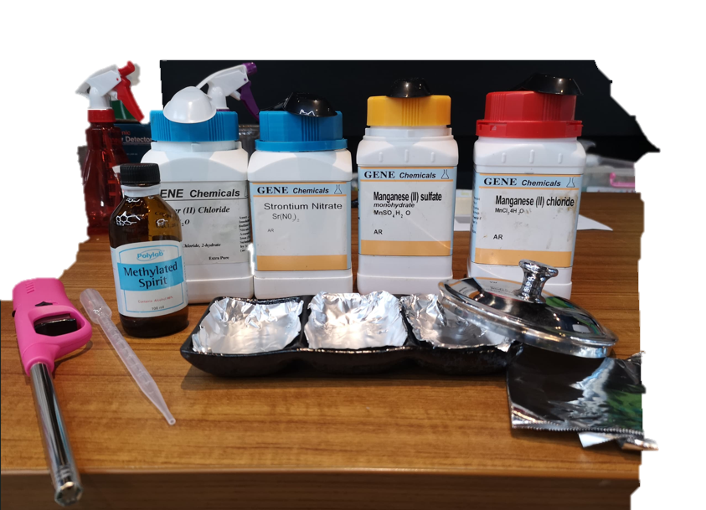
53 | lazy susan | 1
54 | dustbin | 1
55 | aluminium foil | 1 box
56 | small dish | 1
57 | mthylated spirit | 1
58 | dropper | 1
59 | lighter | 1
60 | plastic spoon | 1
61 | metal salt [ copper chloride] | 1
62 | metal salt [strontium chloride] | 1
63 | cap from jar | 1
64 | General items
65 | masking tape
66 | marker
67 | danger tape
68 | scissors
69 | blades
70 | lighter refill
71 | fire extinguisher
72 | GOGLES
73 | GLOVE

ACT-018_Sustainable Suds
No | Item | Number per pack | Number of ready pack needed | Quantity needed | Price/unit | Remark/size/spec | Proposed Shop | Picture
1 | Sodium Hydroxide, NaOH pallete (1kg) | 1 | 40 | 40 |  | 1kg (safe for skin & soap making) - 5g per pack |  | Refer Image Above
2 | Cooking Oil | 1 | 40 | 40 |  | 1 kg 25 g per pack
3 | Digital Scale | 1 | 4 | 4 |  | Electronic Portable Digital Kitchen Scale
4 | Plastic Measuring Cup | 1 | 4 | 4 |  | 1 liter
5 | Plastic Measuring Beaker | 1 | 8 | 8 |  | 100 ml
6 | Essential Oil | 1 | 20 | 20 |  | 10 ml (mix color) - 10 drops per pack
7 | Food Colouring | 1 | 20 | 20 |  | 10 ml (mix color) - 10 drops per pack
8 | Pipette Dropper | 1 | 4 | 4 |  | Material: Glass
9 | Tongue Depressor | 1 | 40 | 40 |  | 1 box : 50 pcs Size: 15*1.8*1.6cm
10 | Round plastic container with lid | 1 | 40 | 40 |  | Size: 4 oz Dimension: 75mm x 40mm x 60mm Material: Plastic
11 | Sticker Paper | 1 | 40 | 40 |  | Size: A4 Material: Matte
12 | Nitril latex glove | 1 | 40 | 40 |  | 1 pair each pack
13 | Sauce Container | 1 | 40 | 40 |  | Size: 1 oz
14 | Spatula | 1 | 4 | 4 |  | Size: 12.0 cm x 1.3 cm

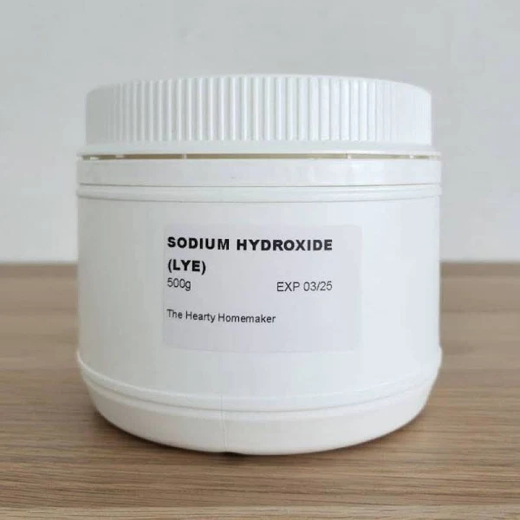
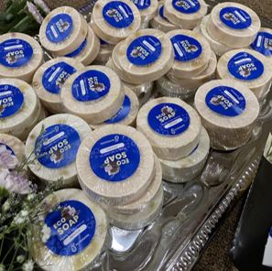

Sodium Hydroxide (5g)
Cooking oil (25g)
Digital Scale
Plastic Measuring Cup
Plastic Measuring Beaker
Round plastic container with lid

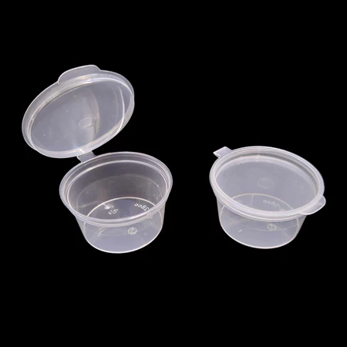
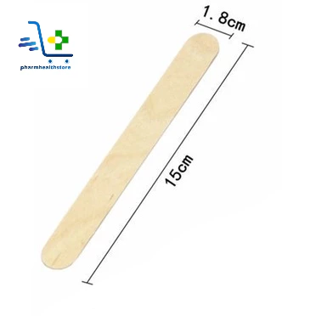

Essential Oil
1pair nitril latex glove
Sauce Container
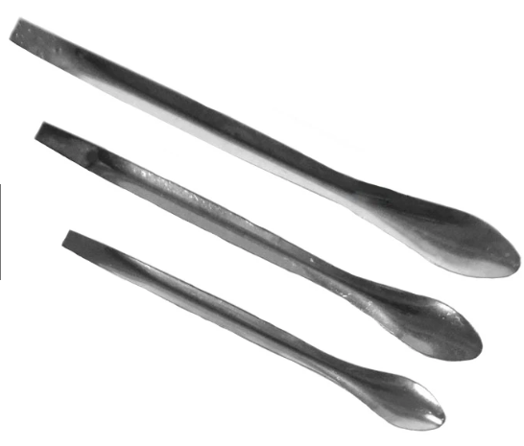
A4 Sticker Paper
Tongue Depressor

Pipette Dropper

Spatula

ACT-019_Solar Fan
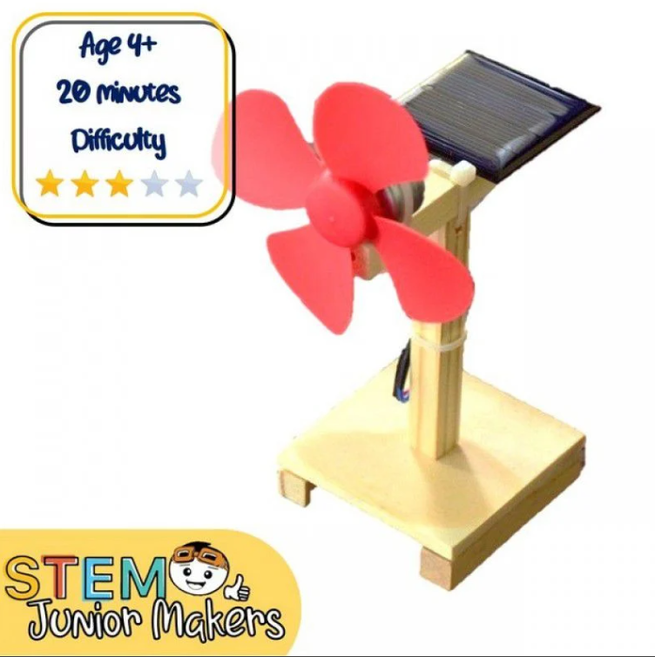

STEM Kit

No | Item | Number per pack | Number of ready pack needed | Quantity needed | Price/unit | Remark/size/spec | Proposed Shop | Picture
1 | Solar powered fan kit | 1 | 40 | 40 |  |  | As shown in link | https://my.cytron.io/p-diy-solar-powered-fan
2 | Cable tie | 100 units | 1 | 1 |  |  | 6'' (white) | https://shopee.com.my/-READY-STOCK-BLACK-WHITE-100pcs-Nylon-Cable-Ties-Pengikat-Kabel-Locking-Zip-Length-4-6-8-10-12-14-17-%E6%89%8E%E7%BA%BF-i.401026562.8469439209?sp_atk=5805dc25-518c-4e7a-a649-4bfb2d43f0a7&xptdk=5805dc25-518c-4e7a-a649-4bfb2d43f0a7
3 | Torchlight W591 | 5 |  | 5 |  |  | Bright light to enough to power solar panel. | https://shopee.com.my/W591-W590-Powerful-LED-Flashlight-Portable-Torch-Light-Super-Bright-Torchlight-P70-P50-USB-Rechargeable-Waterproof-Lampu-i.13491231.18939021296?sp_atk=9e970834-5d35-441a-9df4-a2534225f07b&xptdk=9e970834-5d35-441a-9df4-a2534225f07b

ACT-020_Fabolous Fizzy
No | Item | Number per pack | Number of ready pack needed | Quantity needed | Price/unit | Total unit / session | Total (RM) | Remark/size/spec | Proposed Shop | Picture
1 | Baking soda | 1 | 40 | 40 |  | 3 |  | 3kg baking soda (60g per pack) | Food grade baking soda |  | Refer image above
2 | Citric acid | 1 | 40 | 40 |  | 1 |  | 1kg citric acid (20g per pack) | Food grade citric acid
3 | Epsom salt | 1 | 40 | 40 |  | 1 |  | 1kg epsom salt (20g per pack) | Epsom salt
4 | Soap colouring pigment | 1 | 40 | 40 |  | 40 |  | 10ml (mix colour) | Soap colouring pigment
5 | Coconut oil | 1 | 40 | 40 |  | 2 |  | 2L coconut oil (2tbs per pack) | Coconut oil
6 | Cornstarch | 1 | 40 | 40 |  | 1 |  | 1kg cornstarch (16g per pack) | cornstarch
7 | Essential oil | 1 | 40 | 40 |  | 2 |  | Any 2 scents (10 drops per pack) | Essential oil
8 | Bath bomb mold | 1 | 40 | 40 |  | 40 |  | 1pc per pack (6cm) | Bath bomb mold
9 | Disposable spoon | 1 | 40 | 40 |  | 40 |  | Cornstarch material, biodegradable | Biodegradable spoom
10 | Paper bowl | 1 | 40 | 40 |  | 40 |  | 20oz (9.2cm W x 8.3cm H x 11.5cm) | Paper bowl

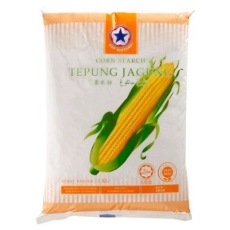

10ml soap coluring pigment (1pc)
Essential oil (10 drops)
Paper bowl (1pc)
Bath bomb mold (1pc)
Cornstarch (1pc)
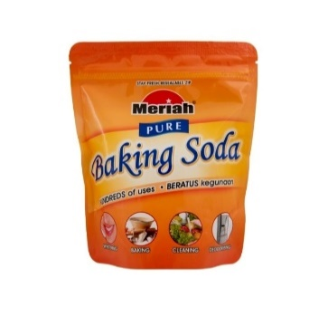
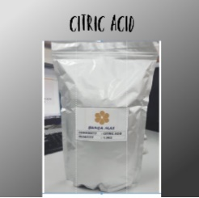
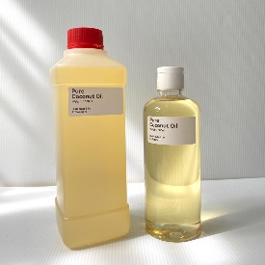

Citric acid (1pc)
Coconut oil (2tbs)
Baking soda (1pc)

